Library
Talent Group | Description | Culture Type | Country | Culture_Country | Area | Culture_Area | Size | Perspective
C | Consistent | Top-Down | BRAZIL | Top-Down | LATAM |  | LBU | Neutral
KT | Key Talent | Egalitarian | MEXICO | Hierarquical | LATAM |  | LBU | Neutral
PL | Poor Leader | Hierarquical | PUERTO RICO | Top-Down | LATAM |  | LBU | Neutral
PP | Poor Perfomer | Consensual | ECUADOR | 0 | LATAM |  | SBU | Neutral
WPT | Well Placed Talent |  | PERU | Hierarquical | LATAM |  | SBU | Negative
 |  |  | COLOMBIA | Top-Down | LATAM |  | MBU | Positive
 |  |  | CACM CARIBBEAN | 0 | LATAM |  | SBU | Neutral
 |  |  | CHILE | 0 | LATAM |  | SBU | Neutral
 |  |  | ARGENTINA | Top-Down | LATAM |  | MBU | Positive
 |  |  | URUGUAY PARAGUAY | 0 | LATAM |  | SBU | Positive
 |  |  | CANADA | Egalitarian | WEC |  | LBU | Neutral
 |  |  | GERMANY | Consensual | WEC |  | LBU | Neutral
 |  |  | ITALY | Hierarquical | WEC |  | LBU | Neutral
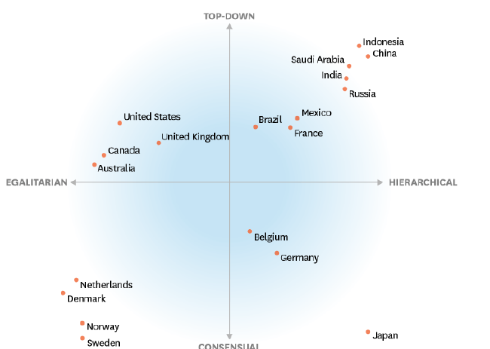
 |  |  | SPAIN | Hierarquical | WEC |  | LBU | Neutral
 |  |  | FRANCE | Hierarquical | WEC |  | LBU | Neutral
 |  |  | Great Britain | Top-Down | WEC |  | LBU | Positive | UK
 |  |  | IRELAND | Top-Down | WEC |  | LBU | Negative
 |  |  | SWEDEN | Consensual | WEC |  | MBU | Positive
 |  |  | BELGIUM | Consensual | WEC |  | LBU | Neutral
 |  |  | FINLAND | Egalitarian | WEC |  | MBU | Neutral
 |  |  | NORWAY | Consensual | WEC |  | SBU | Positive
 |  |  | NETHERLANDS | Consensual | WEC |  | LBU | Positive
 |  |  | DENMARK | Egalitarian | WEC |  | SBU | Positive
 |  |  | AUSTRIA | 0 | WEC |  | LBU | Positive
 |  |  | SWITZERLAND | 0 | WEC |  | LBU | Neutral
 |  |  | TURKEY | 0 | WEC |  | MBU | Positive
 |  |  | PORTUGAL | Top-Down | WEC |  | SBU | Positive
 |  |  | GREECE | 0 | WEC |  | MBU | Neutral
 |  |  | CYPRUS | 0 | WEC |  | SBU | Negative
 |  |  | ISRAEL | Hierarquical | WEC |  | LBU | Positive
 |  |  | CHINA | Hierarquical | JAPAC |  | LBU | Positive |  | United Kingdon
 |  |  | JAPAN | Hierarquical | JAPAC |  | LBU | Neutral
 |  |  | MALAYSIA | Hierarquical | JAPAC |  | SBU | Neutral
 |  |  | SINGAPORE | Hierarquical | JAPAC |  | SBU | Positive
 |  |  | TAIWAN | 0 | JAPAC |  | LBU | Neutral
 |  |  | INDONESIA | Hierarquical | JAPAC |  | SBU | Neutral
 |  |  | THAILAND | 0 | JAPAC |  | SBU | Negative
 |  |  | PAKISTAN | 0 | JAPAC |  | SBU | Negative
 |  |  | INDIA | 0 | JAPAC |  | SBU | Negative
 |  |  | SRI LANKA | 0 | JAPAC |  | SBU | Neutral
 |  |  | BANGLADESH | 0 | JAPAC |  | SBU | Neutral
 |  |  | HONG KONG | Consensual | JAPAC |  | SBU | Positive
 |  |  | PHILIPPINES | 0 | JAPAC |  | SBU | Negative
 |  |  | SOUTH KOREA | 0 | JAPAC |  | LBU | Neutral
 |  |  | VIETNAM | 0 | JAPAC |  | SBU | Negative
 |  |  | AUSTRALIA | Egalitarian | JAPAC |  | LBU | Neutral
 |  |  | NEW ZEALAND | Egalitarian | JAPAC |  | SBU | Neutral
 |  |  | HUNGARY | 0 | EEMEA |  | SBU | Neutral
 |  |  | POLAND | Consensual | EEMEA |  | MBU | Neutral
 |  |  | BULGARIA | 0 | EEMEA |  | SBU | Neutral
 |  |  | ROMANIA | Consensual | EEMEA |  | MBU | Neutral
 |  |  | SLOVENIA | Consensual | EEMEA |  | SBU | Neutral
 |  |  | CROATIA | 0 | EEMEA |  | SBU | Neutral
 |  |  | Servia | Consensual | EEMEA |  | SBU | Neutral | SERBIA
 |  |  | ALBANIA | 0 | EEMEA |  | SBU | Negative
 |  |  | BOSNIA | 0 | EEMEA |  | SBU | Neutral
 |  |  | MONTENEGRO | 0 | EEMEA |  | SBU | Positive
 |  |  | LITHUANIA | 0 | EEMEA |  | SBU | Neutral
 |  |  | LATVIA | 0 | EEMEA |  | SBU | Positive
 |  |  | ESTONIA | 0 | EEMEA |  | SBU | Negative
 |  |  | CZECH REPUBLIC | Egalitarian | EEMEA |  | MBU | Neutral
 |  |  | SLOVAKIA | 0 | EEMEA |  | MBU | Positive
 |  |  | United Arab Emirates | Hierarquical | EEMEA |  | LBU | Negative | SAUDI ARABIA
 |  |  | EGYPT | Top-Down | EEMEA |  | SBU | Neutral
 |  |  | KUWAIT | 0 | EEMEA |  | MBU | Negative
 |  |  | OMAN | 0 | EEMEA |  | SBU | Positive
 |  |  | BAHRAIN | 0 | EEMEA |  | SBU | Neutral
 |  |  | QATAR | 0 | EEMEA |  | SBU | Neutral
 |  |  | U.A.E. | 0 | EEMEA |  | SBU | Neutral
 |  |  | JORDAN | 0 | EEMEA |  | SBU | Positive
 |  |  | IRAQ | 0 | EEMEA |  | SBU | Positive
 |  |  | LEBANON | 0 | EEMEA |  | SBU | Neutral
 |  |  | MALTA | 0 | EEMEA |  | SBU | Negative
 |  |  | ALGERIA | 0 | EEMEA |  | SBU | Positive
 |  |  | MOROCCO | 0 | EEMEA |  | SBU | Neutral
 |  |  | TUNISIA | 0 | EEMEA |  | SBU | Neutral
 |  |  | SOUTH AFRICA | 0 | EEMEA |  | SBU | Neutral
 |  |  | NAMIBIA | 0 | EEMEA |  | SBU | Positive
 |  |  | RUSSIA | Hierarquical | EEMEA |  | LBU | Positive
 |  |  | KAZAKHSTAN | 0 | EEMEA |  | SBU | Positive
 |  |  | BELARUS | 0 | EEMEA |  | SBU | Positive
 |  |  | ARMENIA | 0 | EEMEA |  | SBU | Negative
 |  |  | MOLDOVA | 0 | EEMEA |  | SBU | Neutral
 |  |  | AZERBAIJAN | 0 | EEMEA |  | SBU | Positive
 |  |  | GEORGIA | 0 | EEMEA |  | SBU | Negative
 |  |  | UZBEKISTAN | 0 | EEMEA |  | SBU | Positive
 |  |  | UKRAINE | 0 | EEMEA |  | SBU | Neutral
 |  |  | United States | Egalitarian | United States |  | United States | Positive
 |  |  | Venezuela | Top-Down | LATAM |  | SBU | Negative

